DASHBOARD
GroupBy | QtyAmt Option
region | total

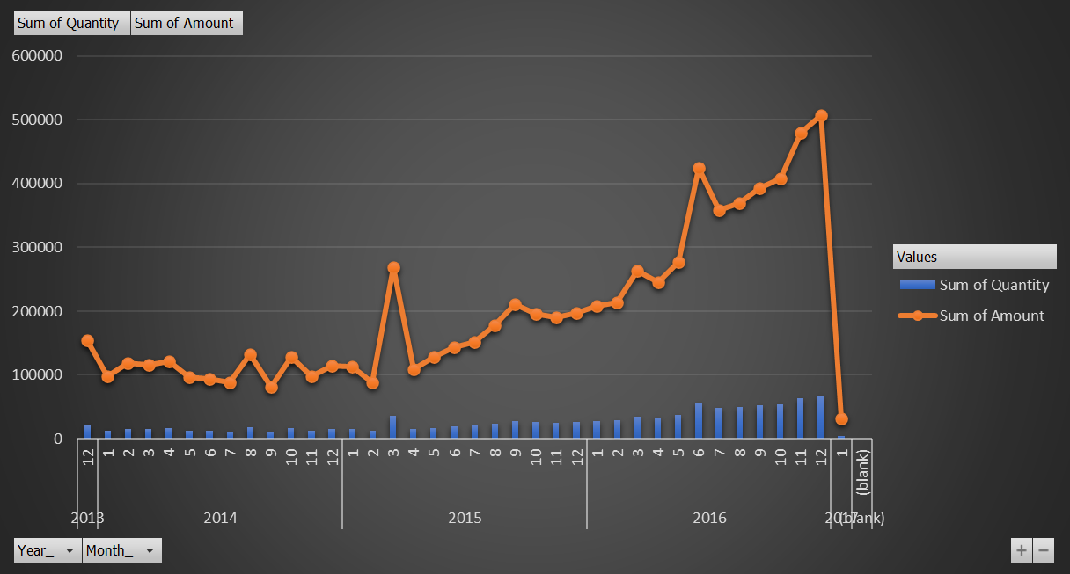
 | Total
Midwest | 1711747.25
Southeast | 3545487.49
West | 3608646.36
Northeast | 3999036.82

 | Northeast | Midwest | Southeast | West
12 | 106136.18 | 88128.18 | 126098.59 | 56968.05
1 | 96224.57 | 49448.35 | 79231.03 | 61236.32
2 | 109143.18 | 61558.92 | 125302.76 | 53716.48
3 | 106507.01 | 62658.37 | 88175.53 | 84171.41
4 | 96422.19 | 52308.58 | 87272.91 | 108890.31
5 | 92410.68 | 68202.41 | 100809.9 | 57787.41
6 | 96498.15 | 45327.38 | 90315.25 | 65514.87
7 | 85374.66 | 45508.76 | 99906.2 | 58338.57
8 | 113407.06 | 49135.73 | 123236.33 | 80906.29
9 | 88054.07 | 44890.63 | 100723.31 | 66300.37
10 | 135421.14 | 36231.82 | 233689.19 | 89991.44
11 | 105399.48 | 50699.02 | 93198.5 | 62596.88
12 | 143750 | 43989.38 | 108629.48 | 70594.26
1 | 139043.3 | 28221.42 | 99549.97 | 80989.61
2 | 137039.38 | 25813.33 | 94175.37 | 76659.93
3 | 198089.51 | 31380.82 | 110582.23 | 179350.84
4 | 220552.22 | 60945.19 | 98523.93 | 71732.23
5 | 164279.72 | 61300.61 | 99181.48 | 66069.03
6 | 141584.48 | 55290.92 | 124048.25 | 99982.48
7 | 172522.1 | 43284.28 | 133271.39 | 112817.72
8 | 171289.72 | 62838.14 | 136417.76 | 93208.71
9 | 266104.11 | 53083.12 | 104655.34 | 87006
10 | 231601.9 | 73402.48 | 128057.56 | 121128.87
11 | 235277.03 | 57289.08 | 156441.24 | 233086.9
12 | 267204.72 | 50802.34 | 143713.58 | 153114.6
1 | 226868.66 | 63591.59 | 156329.11 | 178776.51
2 | 224029.27 | 93458.06 | 149602.05 | 162117.91
3 | 305108.27 | 80577.99 | 234548.58 | 178837.32
4 | 278433.98 | 65560.83 | 225247.58 | 196147.79
5 | 268782.37 | 109270.38 | 284925.54 | 164062.7
6 | 418331.23 | 101205.43 | 305799.04 | 327221.04
7 | 371539.49 | 201161 | 316765.06 | 338241.92
8 | 335033.78 | 158187.66 | 317736.21 | 276709.83
9 | 321278.6 | 183175.37 | 367620.17 | 334325.79
10 | 402394.81 | 231877.01 | 370970.68 | 372739.07
11 | 386086.33 | 221931.59 | 410501.05 | 377526.65
12 | 461150.03 | 201750.34 | 405442.42 | 701939.83
1 | 26031.98 |  | 27802.43 | 24317.02

Sheet5
Year_ | 2016

Row Labels | Sum of Amount
Midwest | 1711747.25
Southeast | 3545487.49
West | 3608646.36
Northeast | 3999036.82
Grand Total | 12864917.92

Sheet6
 | Sum of Quantity | Sum of Amount
12 | 58310 | 377331
1 | 46558 | 286140.27
2 | 55271 | 349721.34
3 | 53724 | 341512.32
4 | 53910 | 344893.99
5 | 51401 | 319210.4
6 | 48521 | 297655.65
7 | 48031 | 289128.19
8 | 58154 | 366685.41
9 | 48793 | 299968.38
10 | 76766 | 495333.59
11 | 50906 | 311893.88
12 | 58861 | 366963.12
1 | 57104 | 347804.3
2 | 54069 | 333688.01
3 | 79233 | 519403.4
4 | 69652 | 451753.57
5 | 63390 | 390830.84
6 | 67158 | 420906.13
7 | 74138 | 461895.49
8 | 73384 | 463754.33
9 | 81569 | 510848.57
10 | 89220 | 554190.81
11 | 105696 | 682094.25
12 | 98359 | 614835.24
1 | 100789 | 625565.87
2 | 101575 | 629207.29
3 | 127496 | 799072.16
4 | 124471 | 765390.18
5 | 132025 | 827040.99
6 | 185808 | 1152556.74
7 | 188680 | 1227707.47
8 | 175218 | 1087667.48
9 | 192720 | 1206399.93
10 | 220590 | 1377981.57
11 | 221166 | 1396045.62
12 | 271062 | 1770282.62
1 | 11987 | 78151.43
(blank)
Row Labels | Sum of Quantity | Sum of Amount
2013 | 58310 | 377331
12 | 58310 | 377331
2014 | 650896 | 4069106.54
1 | 46558 | 286140.27
2 | 55271 | 349721.34
3 | 53724 | 341512.32
4 | 53910 | 344893.99
5 | 51401 | 319210.4
6 | 48521 | 297655.65
7 | 48031 | 289128.19
8 | 58154 | 366685.41
9 | 48793 | 299968.38
10 | 76766 | 495333.59
11 | 50906 | 311893.88
12 | 58861 | 366963.12
2015 | 912972 | 5752004.94
1 | 57104 | 347804.3
2 | 54069 | 333688.01
3 | 79233 | 519403.4
4 | 69652 | 451753.57
5 | 63390 | 390830.84
6 | 67158 | 420906.13
7 | 74138 | 461895.49
8 | 73384 | 463754.33
9 | 81569 | 510848.57
10 | 89220 | 554190.81
11 | 105696 | 682094.25
12 | 98359 | 614835.24
2016 | 2041600 | 12864917.92
1 | 100789 | 625565.87
2 | 101575 | 629207.29
3 | 127496 | 799072.16
4 | 124471 | 765390.18
5 | 132025 | 827040.99
6 | 185808 | 1152556.74
7 | 188680 | 1227707.47
8 | 175218 | 1087667.48
9 | 192720 | 1206399.93
10 | 220590 | 1377981.57
11 | 221166 | 1396045.62
12 | 271062 | 1770282.62
2017 | 11987 | 78151.43
1 | 11987 | 78151.43
(blank)
(blank)
Grand Total | 3675765 | 23141511.83

Sheet8
 | Northeast | Midwest | Southeast | West
12 | 106136.18 | 88128.18 | 126098.59 | 56968.05
1 | 96224.57 | 49448.35 | 79231.03 | 61236.32
2 | 109143.18 | 61558.92 | 125302.76 | 53716.48
3 | 106507.01 | 62658.37 | 88175.53 | 84171.41
4 | 96422.19 | 52308.58 | 87272.91 | 108890.31
5 | 92410.68 | 68202.41 | 100809.9 | 57787.41
6 | 96498.15 | 45327.38 | 90315.25 | 65514.87
7 | 85374.66 | 45508.76 | 99906.2 | 58338.57
8 | 113407.06 | 49135.73 | 123236.33 | 80906.29
9 | 88054.07 | 44890.63 | 100723.31 | 66300.37
10 | 135421.14 | 36231.82 | 233689.19 | 89991.44
11 | 105399.48 | 50699.02 | 93198.5 | 62596.88
12 | 143750 | 43989.38 | 108629.48 | 70594.26
1 | 139043.3 | 28221.42 | 99549.97 | 80989.61
2 | 137039.38 | 25813.33 | 94175.37 | 76659.93
3 | 198089.51 | 31380.82 | 110582.23 | 179350.84
4 | 220552.22 | 60945.19 | 98523.93 | 71732.23
5 | 164279.72 | 61300.61 | 99181.48 | 66069.03
6 | 141584.48 | 55290.92 | 124048.25 | 99982.48
7 | 172522.1 | 43284.28 | 133271.39 | 112817.72
8 | 171289.72 | 62838.14 | 136417.76 | 93208.71
9 | 266104.11 | 53083.12 | 104655.34 | 87006
10 | 231601.9 | 73402.48 | 128057.56 | 121128.87
11 | 235277.03 | 57289.08 | 156441.24 | 233086.9
12 | 267204.72 | 50802.34 | 143713.58 | 153114.6
1 | 226868.66 | 63591.59 | 156329.11 | 178776.51
2 | 224029.27 | 93458.06 | 149602.05 | 162117.91
3 | 305108.27 | 80577.99 | 234548.58 | 178837.32
4 | 278433.98 | 65560.83 | 225247.58 | 196147.79
5 | 268782.37 | 109270.38 | 284925.54 | 164062.7
6 | 418331.23 | 101205.43 | 305799.04 | 327221.04
7 | 371539.49 | 201161 | 316765.06 | 338241.92
8 | 335033.78 | 158187.66 | 317736.21 | 276709.83
9 | 321278.6 | 183175.37 | 367620.17 | 334325.79
10 | 402394.81 | 231877.01 | 370970.68 | 372739.07
11 | 386086.33 | 221931.59 | 410501.05 | 377526.65
12 | 461150.03 | 201750.34 | 405442.42 | 701939.83
1 | 26031.98 |  | 27802.43 | 24317.02
Sum of Amount | Column Labels
Row Labels | Northeast | Midwest | Southeast | West | Grand Total
2013 | 106136.18 | 88128.18 | 126098.59 | 56968.05 | 377331
12 | 106136.18 | 88128.18 | 126098.59 | 56968.05 | 377331
2014 | 1268612.19 | 609959.35 | 1330490.39 | 860044.61 | 4069106.54
1 | 96224.57 | 49448.35 | 79231.03 | 61236.32 | 286140.27
2 | 109143.18 | 61558.92 | 125302.76 | 53716.48 | 349721.34
3 | 106507.01 | 62658.37 | 88175.53 | 84171.41 | 341512.32
4 | 96422.19 | 52308.58 | 87272.91 | 108890.31 | 344893.99
5 | 92410.68 | 68202.41 | 100809.9 | 57787.41 | 319210.4
6 | 96498.15 | 45327.38 | 90315.25 | 65514.87 | 297655.65
7 | 85374.66 | 45508.76 | 99906.2 | 58338.57 | 289128.19
8 | 113407.06 | 49135.73 | 123236.33 | 80906.29 | 366685.41
9 | 88054.07 | 44890.63 | 100723.31 | 66300.37 | 299968.38
10 | 135421.14 | 36231.82 | 233689.19 | 89991.44 | 495333.59
11 | 105399.48 | 50699.02 | 93198.5 | 62596.88 | 311893.88
12 | 143750 | 43989.38 | 108629.48 | 70594.26 | 366963.12
2015 | 2344588.19 | 603651.73 | 1428618.1 | 1375146.92 | 5752004.94
1 | 139043.3 | 28221.42 | 99549.97 | 80989.61 | 347804.3
2 | 137039.38 | 25813.33 | 94175.37 | 76659.93 | 333688.01
3 | 198089.51 | 31380.82 | 110582.23 | 179350.84 | 519403.4
4 | 220552.22 | 60945.19 | 98523.93 | 71732.23 | 451753.57
5 | 164279.72 | 61300.61 | 99181.48 | 66069.03 | 390830.84
6 | 141584.48 | 55290.92 | 124048.25 | 99982.48 | 420906.13
7 | 172522.1 | 43284.28 | 133271.39 | 112817.72 | 461895.49
8 | 171289.72 | 62838.14 | 136417.76 | 93208.71 | 463754.33
9 | 266104.11 | 53083.12 | 104655.34 | 87006 | 510848.57
10 | 231601.9 | 73402.48 | 128057.56 | 121128.87 | 554190.81
11 | 235277.03 | 57289.08 | 156441.24 | 233086.9 | 682094.25
12 | 267204.72 | 50802.34 | 143713.58 | 153114.6 | 614835.24
2016 | 3999036.82 | 1711747.25 | 3545487.49 | 3608646.36 | 12864917.92
1 | 226868.66 | 63591.59 | 156329.11 | 178776.51 | 625565.87
2 | 224029.27 | 93458.06 | 149602.05 | 162117.91 | 629207.29
3 | 305108.27 | 80577.99 | 234548.58 | 178837.32 | 799072.16
4 | 278433.98 | 65560.83 | 225247.58 | 196147.79 | 765390.18
5 | 268782.37 | 109270.38 | 284925.54 | 164062.7 | 827040.99
6 | 418331.23 | 101205.43 | 305799.04 | 327221.04 | 1152556.74
7 | 371539.49 | 201161 | 316765.06 | 338241.92 | 1227707.47
8 | 335033.78 | 158187.66 | 317736.21 | 276709.83 | 1087667.48
9 | 321278.6 | 183175.37 | 367620.17 | 334325.79 | 1206399.93
10 | 402394.81 | 231877.01 | 370970.68 | 372739.07 | 1377981.57
11 | 386086.33 | 221931.59 | 410501.05 | 377526.65 | 1396045.62
12 | 461150.03 | 201750.34 | 405442.42 | 701939.83 | 1770282.62
2017 | 26031.98 |  | 27802.43 | 24317.02 | 78151.43
1 | 26031.98 |  | 27802.43 | 24317.02 | 78151.43
Grand Total | 7744405.36 | 3013486.51 | 6458497 | 5925122.96 | 23141511.83

